OpenLCA input
OpenLCA Indoor model | Input | qty | units | Ref | OpenLCA flows & processes |  |  |  | unit | ref
 | Electrical energy input | Depends on region | kWh/FU | MatLab Output (kWh NG) tab | electricity, high voltage, production mix | electricity, high voltage | Cutoff, U - CA-XX |  | indoor parameters |  |  | Summers
 | Natural Gas energy input | Depends on region | MJ/FU (4.10 kg CO2/kg NG) |  | heat production, natural gas, at boiler condensing modulating <100kW | heat, central or small-scale, natural gas | Cutoff, U - RoW |  | yield (kg/m2) | 0.438997893 | kg bud/m^2-cycle
 | Fertilizer solution (water) | 327.82617478 | l/FU | Fertilizer tab | tap water production, conventional treatment | tap water | Cutoff, U - RoW |  | Yield (kg/plant) | 0.16319624275 | kg bud/plant
 | Ammonium nitrate | 0.040443565936 | kg per FU |  | ammonium nitrate production | ammonium nitrate | Cutoff, U - RNA |  | plant/kg-bud | 6.127592052 | plant/kg bud
 | Ammonium sulphate | 0.0077050850154 | g per FU |  | ammonium sulfate production | ammonium sulfate | Cutoff, U - RER |  | m2/kg-bud | 2.277915261 | m^2/kg bud
 | Borax | 0.00028140413888 | kg per FU |  | borax production, anhydrous, powder | borax, anhydrous, powder | Cutoff, U - RoW |  | Plant Density | 2.690975 | plants/m^2-cycle
 | Calcium nitrate | 0.059247532578 | kg per FU |  | calcium nitrate production | calcium nitrate | Cutoff, U - RoW |  | Number of Plants | 1669.0896234 | plants/cycle-flower
 | Copper sulphate | 0.00055032824944 | g per FU |  | copper sulfate production | copper sulfate | Cutoff, U - GLO |  | Waste/kg bud | 232.72385403 | kg/FU
 | Iron EDTA | 0.0026352617383 | kg per FU |  | iron sulfate production | iron sulfate | Cutoff, U - RoW |  | water density | 3.79 | l/gal
 | Magnesium sulphate | 0.10316461181 | g per FU |  | magnesium sulfate production | magnesium sulfate | Cutoff, U - RoW |  |  | 15469.864843 | kg bud/year
 | Manganese sulphate | 3.3181743648E-05 | kg per FU |  | manganese sulfate production | manganese sulfate | Cutoff, U - GLO |  | outdoor parameters - photoperiod sensistive (PPS)
 | Molybdenum | 7.4936240666E-06 | g per FU |  | molybdenum production | molybdenum | Cutoff, U - RoW |  | yield (kg/m2) | 0.125 | kg bud/m^2-cycle | Outdoor yield tab
 | Mono-ammonium phosphate | 0.013389164125 | kg per FU |  | monoammonium phosphate production | monoammonium phosphate | Cutoff, U - RoW |  | Yield (kg/plant) | 0.532 | kg bud/plant
 | Potassium nitrate | 0.13031237483 | kg per FU |  | market for potassium nitrate, agricultural grade | potassium nitrate, agricultural grade | Cutoff, U - GLO |  | plant/kg-bud | 1.879 | plant/kg bud
 | Zinc sulfide | 0.00035334014756 | g per FU |  | zinc sulfide production | zinc sulfide | Cutoff, U - RoW |  | m2/kg-bud | 8.006 | m^2/kg bud
 | g N2O to air (1% total N) | 0.4589566447 | g per FU |  | EcoSpold 2 elementary exchange, ID = 20185046-64bb-4c09-a8e7-e8a9e144ca98
 | g Nox to air (21% of N2O) | 0.096380895386 | g per FU |  | UUID d9d14565-ed4d-3ffb-b9e0-a4ebd2031b80 |  | Plant Density | 0.235 | plants/m^2-cycle | Outdoor yield tab
 | g NH4 to air (4% total N) | 1.8358265788 | g per FU |  | EcoSpold 2 elementary exchange, ID = 87883a4e-1e3e-4c9d-90c0-f1bea36f8014 |  | Number of Plants | 220.164 | plants/cycle-flower
 | phosphate to water (12% total P) | 0.57828537232 | g per FU |  | EcoSpold 2 elementary exchange, ID = c8791f3c-3c4a-4278-91c0-483797d14da2 |  | Total yield | 117.19003838 | kg bud/year
 | g N-Nitrate to water (1% total N) | 0.4589566447 | g per FU |  | EcoSpold 2 elementary exchange, ID = 5189de76-6bbb-44ba-8c42-5714f1b4371f |  | outdoor parameters - autoflowering (AF) |  |  | Desaulniers Brousseau 2023, Other Manuscript
 | growth CO2 | 652.74790664 | kg/FU | (Summers et al., 2021) | carbon dioxide production, liquid | carbon dioxide, liquid | Cutoff, U - RoW |  | yield (kg/m2) | 0.196 | kg bud/m^2-cycle
 | Pesticide | 1.792447014 | kg/FU |  | pesticide production, unspecified | pesticide, unspecified | Cutoff, U - RoW |  | Yield (kg/plant) | 0.035 | kg bud/plant
 | Soil Amendments (Perlite) | 2.6999506298 | kg/FU |  | expanded perlite production | expanded perlite | Cutoff, U - RoW |  | plant/kg-bud | 28.571 | plant/kg bud
 | Peat moss as soil | 0.19687140009 | m3/FU |  | peat moss production, horticultural use | peat moss | Cutoff, S |  | m2/kg-bud | 5.102 | m^2/kg bud
 | Neem oil (vegetable oil) | 1.2564014743 | kg/FU |  | soybean oil, refined, to generic market for vegetable oil, refined | vegetable oil, refined | Cutoff, U - GLO |  | Plant Density | 5.600 | plants/m^2-cycle
 | Surfactant mixed with neem oil application | 0.30963511775 | kg/FU |  | soap production | soap | Cutoff, U - RoW |  | Number of Plants | 5253.818 | plants/cycle-flower
 | Water Amount | 2154.0867858 | l/FU |  | tap water production, conventional treatment | tap water | Cutoff, U - RoW |  | Total yield | 183.88363636 | kg bud/year
 | Landfill CH4 emission | 17.017931826 | kg/FU |  | UUID 20408dd1-8534-11e0-9d78-0800200c9a66 |  | vegetable oil density | 914 | kg/m3 | Google
 | Landfill CO2 emission | 16.072491169 | kg/FU |  | UUID 7ae371aa-8532-11e0-9d78-0800200c9a66 |  | soap density | 932 | kg/m^3 | Google Dawn Dish soap
 | product that is sequestered CO2e | 0.001 | kg CO2-FU |  | UUID 7ae371aa-8532-11e0-9d78-0800200c9a66
 | landfill mass that is sequestered CO2e | 120.62686494 | kg CO2-FU |  | UUID 7ae371aa-8532-11e0-9d78-0800200c9a66
 | Transport (train) | 643.1368314 | t*km per FU | Transport tab | transport, freight train, diesel | transport, freight train | Cutoff, U - RoW
 | Transport (lorry) | 74.634946367 | t*km per FU |  | transport, freight, lorry 16-32 metric ton, EURO5 | transport, freight, lorry 16-32 metric ton, EURO5 | Cutoff, U - RoW
 | Transport (passenger car) | 15 | km/FU |  | transport, passenger car with internal combustion engine | transport, passenger car with internal combustion engine | Cutoff, U - RoW
 | HPS light energy | 1376.98 | kWh/FU | MatLabOutput tab | electricity, high voltage, production mix | electricity, high voltage | Cutoff, U - CA-XX
 | HPS light fixture | 743.1349053 | h/FU | HPS tab | custom, see hps tab

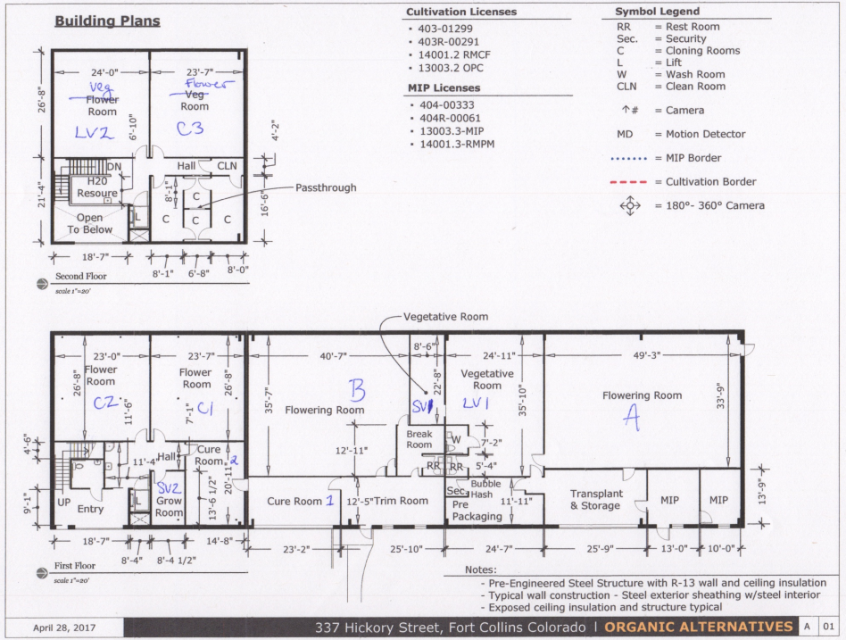
OpenLCA outdoor model (PPS) | Input |  | units
 | Electrical energy input minus lighting | 61.02928725 | kWh/FU | 12% of BC average MatLab Output (kWh NG) tab
 | Natural Gas energy input | 3677.1139785 | MJ/FU (4.10 kg CO2/kg NG)
 | Fertilizer solution (water) | 171.90066607 | l/FU | Fertilizer tab |  |  | values from building plan from Summers (RIGHT)
 | Ammonium nitrate | 0.021207208853 | kg/FU |  |  |  | ft2 | % |  |  | ft2 | %
 | Ammonium sulphate | 0.0040402750507 | kg/FU |  |  | lv2 | 636 | 6.5535678174 |  | clone&mother | 306 | 3.1531316858
 | Borax | 0.00014755269312 | g/FU |  |  | c3 | 628.05 | 6.4716482197 |  | veg | 1531 | 15.775962781
 | Calcium nitrate | 0.031067340843 | kg/FU |  |  | other | 788.5 | 8.1249814844 |  | flower | 4969.7 | 51.209537708
 | Copper sulphate | 0.00028858057233 | g/FU |  |  | c2 | 609.5 | 6.2805024917 |  | cure | 573.5 | 5.9095458228
 | Iron EDTA | 0.0013818453073 | g/FU |  |  | c1 | 628.05 | 6.4716482197 |  | hallway | 1038.25 | 10.698493375
 | Magnesium sulphate | 0.024425036369 | kg/FU |  |  | sv2 | 114.75 | 1.1824243822 |  | transplant, storage, package | 1286.1875 | 13.253328628
 | Manganese sulphate | 1.7405630342E-05 | g/FU |  |  | B | 1445.85 | 14.898547215
 | Mono-ammonium phosphate | 0.0070208100441 | kg/FU |  |  | sv1 | 191.25 | 1.9707073036 |  | 1 | ft2= | 0.092903 | m2
 | Potassium nitrate | 0.068331288264 | kg/FU |  |  | lv1 | 895 | 9.2223949632
 | Zinc sulfide | 0.00018528633524 | g/FU |  |  | a | 1658.25 | 17.087191562
 | Mo | 3.9252032169E-06 | g/FU |  |  | storage | 670.3125 | 6.9071358925
 | g N2O to air (1% total N) | 0.24066093249 | g/FU |  |  | package | 294 | 3.0294794628
 | g Nox to air (21% of N2O) | 0.050538795823 | g/FU |  |  | trim | 321.875 | 3.3167132724
 | g NH4 to air (4% total N) | 0.96264372996 | g/FU |  |  | cure 1 | 290 | 2.9882620551
 | phosphate to water (12% total P) | 0.30323277494 | g/FU |  |  | cure 2 | 283.5 | 2.9212837677
 | g N-Nitrate to water (1% total N) | 0.24066093249 | g/FU |  |  | other | 249.75 | 2.5735118906
 | Pesticide | 0.54955725765 | kg/FU | (Summers et al., 2021) |  | sum ft2 | 9704.6375
 | Soil Amendments (Perlite) | 0.8277943238 | kg/FU |  |  | sum m2 | 901.58993766
 | Peat moss as soil | 0.060360002777 | m3/FU
 | Neem oil (vegetable oil) | 0.38520778765 | kg/FU |  |  |  | From Summers 2021
 | Surfactant mixed with neem oil application | 0.094932918435 | kg/FU |  |  | From Summers 2021 | ft^2 | m^2 | ratio
 | Water Amount | 660.43460001 | l/FU |  |  | Clone Room | 256 | 23.783168 | 4%
 | Landfill CH4 emission | 5.217631468 | kg/FU |  |  | Veg Room | 1640 | 152.36092 | 23%
 | Landfill CO2 emission | 4.9277630531 | kg/FU |  |  | Flower Room | 4811 | 446.956333 | 66%
 | product that is sequestered CO2e | 0.001 | kg CO2-FU |  |  | Cure Room | 570 | 52.95471 | 8%
 | landfill mass that is sequestered CO2e | 36.983725921 | kg CO2-FU
 | Transport (train) | 1.360160985 | t*km per FU | Transport tab |  | Useable Grow Area | 938.18181818 | m^2 grow area
 | Transport (lorry) | 3.3004751148 | t*km per FU |  |  |  | Values from ON producer
 | Transport (passenger car) | 15 | t*km per FU |  |  | Values from ON producer | ft2 | %
 | HPS light energy | 156.29867803 | kWh/FU | Assumed 12% of indoor model |  | clone&mother | 96 | 12.859831189
 | HPS light fixture | 84.351990075 | h/FU |  |  | veg | 1152
 |  |  |  |  |  | kg annual production | 1000
 |  |  |  |  |  |  | Values from BC producer
 |  |  |  |  |  | Values from BC producer
 |  |  |  |  |  | clone&mother | 800 | 8.2434815314
 |  |  |  |  |  | veg in greenhouse

